Revision History
Rev. No | Release Date | Prepared. By Prepared. Dt | Reviewed By Reviewed Dt. | Approved By Approved Dt. | Remark/Revision Details | Standards Scoping
1 | 2021-11-26 | Sai Praneetha Bhaskaruni | Raghu Kumar P V | Sudip Pramanik | Initial Release | 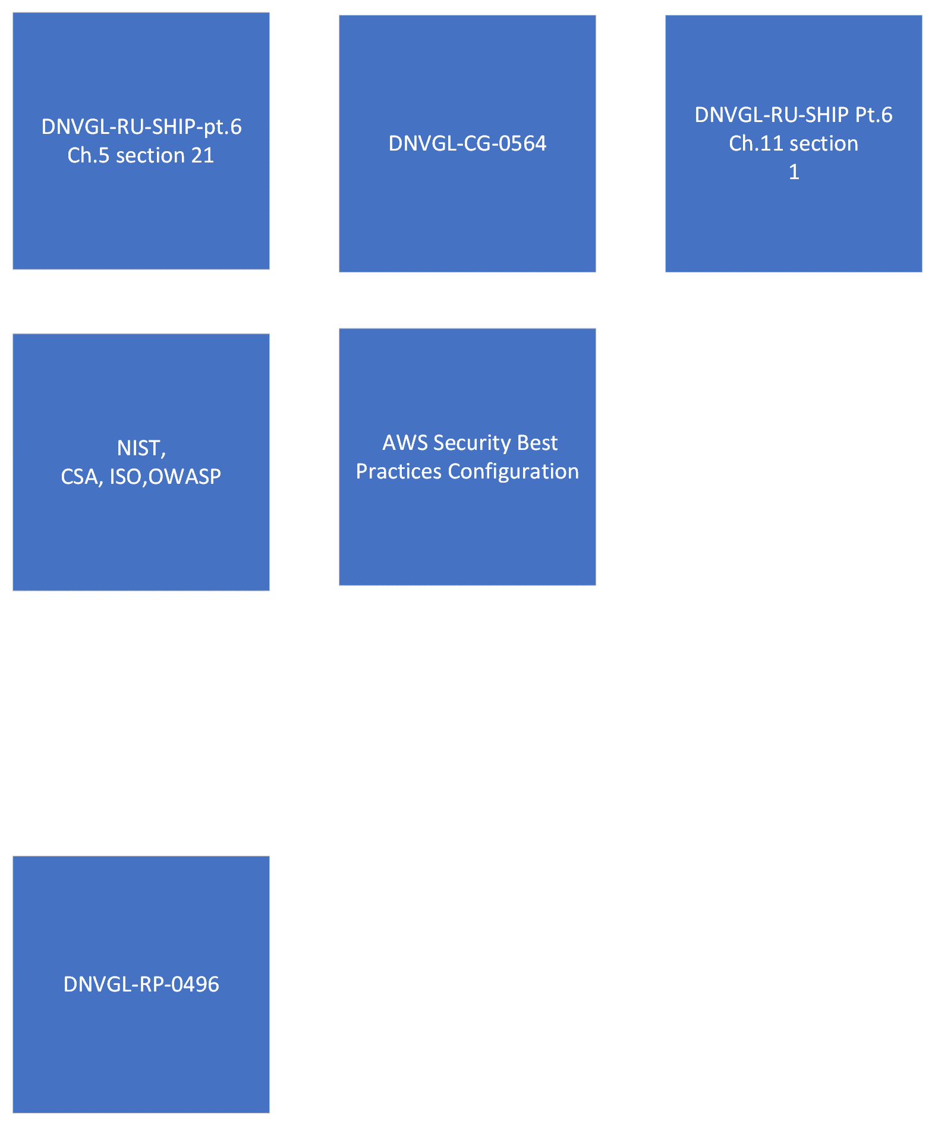
2 | 2021-12-01 | Sai Praneetha Bhaskaruni | Raghu Kumar P V | Sudip Pramanik | 1. Moved and Renamed Column H to Column D: Applicable Components. 2. Changed N/A & Not in scope to 'Not in current scope and No Mapping Found'
3 | 2021-12-08 | Sai Praneetha Bhaskaruni | Raghu Kumar P V | Sudip Pramanik | 1. Changed 'Not in current scope' to "Not relevant to AWS cloud scope" 2. Updated 'Revision History' 3. Added conclusion for Custom Standard Creation
4 | 2021-12-29 | Sai Praneetha Bhaskaruni | Raghu Kumar P V | Sudip Pramanik | 1. Updated Column D 'Applicable Components' 2. Addec columns J & K, 'Reason' & 'Action Plan' respectively 3. Updated Column I, 'Implementation Status' by color code

Conclusion/Overview
1. DNVGL-CG-0564 section 7 & DNVGL-RU-SHIP Pt.6 Ch.11 section 1 (2.8) refers to DNVGL-RU-SHIP Pt.6 Ch.5 section 21; 2. This document of "Security GAP Analysis" reflects only DNVGL-RU-SHIP Pt.6 Ch.5 section 21 in Column E for the above statement 3. NIST 800-53r5 is used as baseline and mapped to IEC-62443, DNVGL-RU-SHIP Pt.6 Ch.5 section 21 and OWASP with relevance of applicabiltiy to AWS Cloud

 | Compliance Summary Table
 | Compliance | No. of Items
 | Full | 75
 | Partial | 0
 | None | 925
 | Total | 1268

Infrastructure Overview
Architecture Overview - Assessment Scoping
 | List all Countries hosting Service Infrastructure below (physical assets/data centers):
 | IRELAND

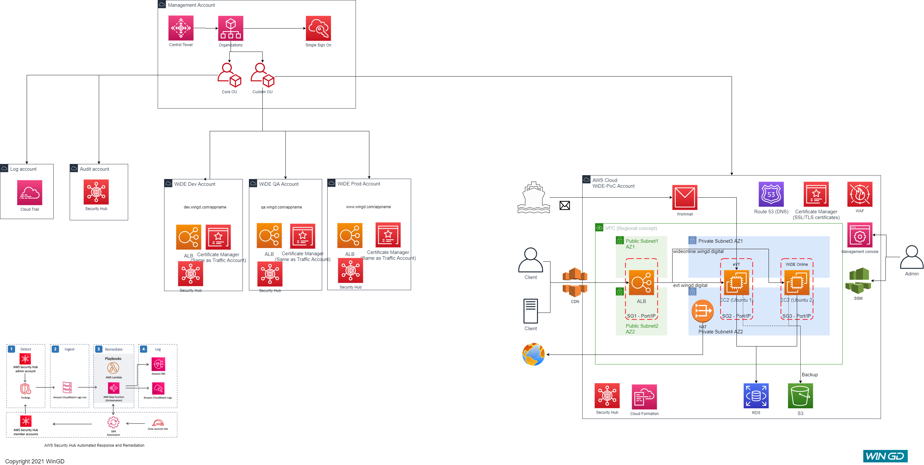
Architecture Diagram:
<Architecture Diagram>

4)

